Folha1
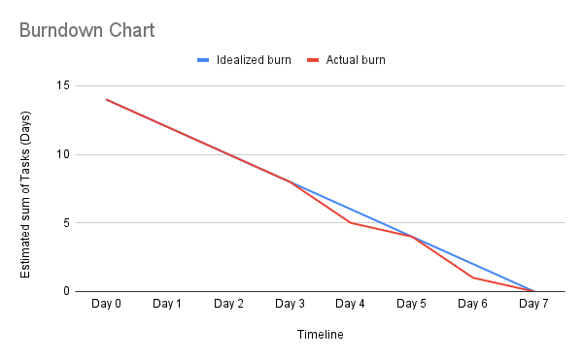
Backlog ID | User Story ID | Estimated Duration | Day 1 | Day 2 | Day 3 | Day 4 | Day 5 | Day 6 | Day 7
Identificar Design Patterns | 1 | 3 |  | 1 | 1 | 1
Identificar Smell Codes | 2 | 3 |  | 1 | 1 | 1
Fazer revisão do trabalho do respetivo colega | 3 | 2 |  |  |  | 1 | 1
Criar MergeDoc com os code Smells e Patterns todos | 4 | 1 |  |  |  |  |  | 1
Criar MergeDoc com as reviews todos | 5 | 1 |  |  |  |  |  |  | 1
Criar Sprint Backlog | 6 | 1 | 1
Criar BurnOutChart | 7 | 1 | 1
Criar Scrum Master Log | 8 | 1 |  |  |  |  |  | 1
Criar Work Breakdown Structure | 9 | 1 |  |  |  |  |  | 1

 |  | Day 0 | Day 1 | Day 2 | Day 3 | Day 4 | Day 5 | Day 6 | Day 7
 | Idealized burn | 14 | 12 | 10 | 8 | 6 | 4 | 2 | 0 | Estimated sum of tasks (Days)
 | Actual burn | 14 | 12 | 10 | 8 | 5 | 4 | 1 | 0

